Monocoque
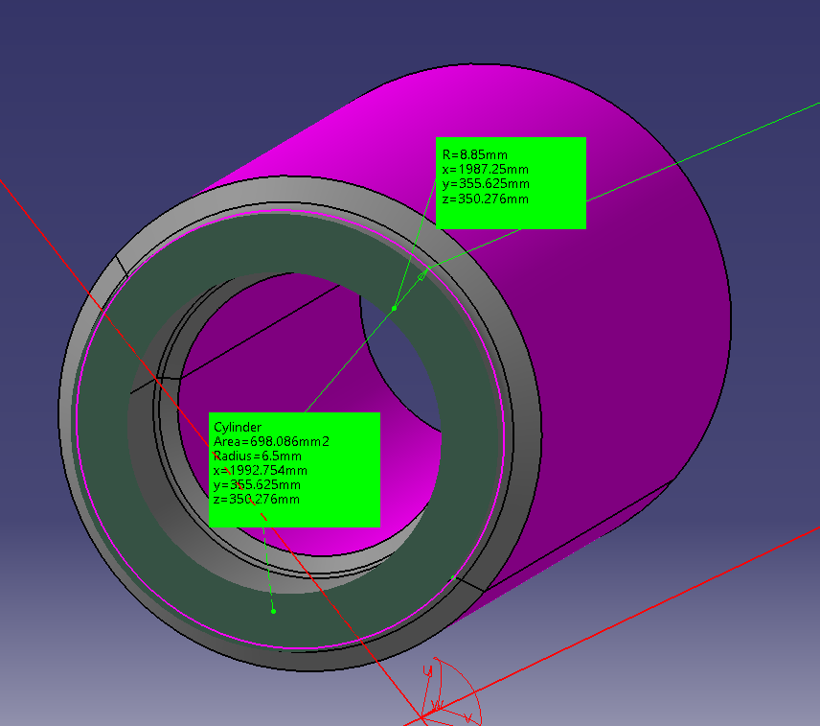
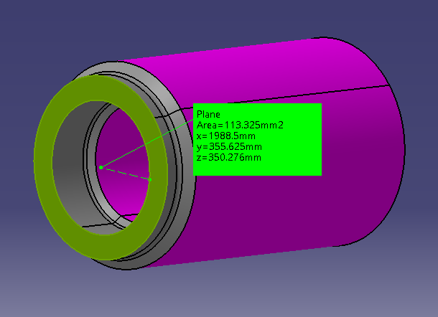
Input data |  |  |  | Tightening torque |  |  | Shear stress from pure shear load - circular section
Tightening interface
Steel-steel friction coefficient | 0.2 | - |  | Tightening torque | 105000 | Nmm
 |  |  |  |  | 105 | Nm
Thread data
Mean diameter | 18.6 | mm |  | Tightening torque uncertainty | 0.125 |  | Shear stress due to torsion load - circular section
Root diameter | 0 | mm |  | Tightening torque scale factor min | 0.875
Pitch | 1.5 | mm |  | Tightening torque scale factor max | 1.125
Thread angle | 30 | °
Thread friction coefficient | 0.14 |  |  | Axial load from tightening min | 26730 | N
 |  |  |  | Thread friction torque min | 46568 | Nmm
Top hat data |  |  |  |  |  |  | Axial force-torque relationship
Outer contact diameter | 35 | mm |  | Maximum tightening torque | 118125
Inner contact diameter | 21.5 | mm |  | Axial load from tightening max | 34367 | N
Nut friction coefficient | 0.12 | - | lubricated | Thread friction torque max | 59873 | Nmm
Nut friction diameter | 28.25 | mm
 |  |  |  | Axial load from tightening nominal | 30549 | N | Torque due to friction at the contact surface between the bolt and the nut threads
Strength data |  |  |  | Thread friction torque nominal | 53220 | Nmm
Tensile Yield strength | 1172 | MPa
Maximum diameter | 17.7 | mm |  | Axial notch coeff | 2.1
Minimum diameter | 13 | mm |  | Torsion notch coeff | 1.5
Minimum area | 113.3 | mm^2 |  | Tigtening SF groove nom | 2.0
 |  |  |  | Tigtening SF groove max | 1.8

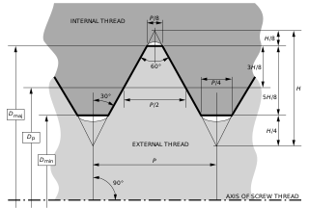
 |  |  |  | Nom tensile load (nut) | 39064 | N
 |  |  |  | Max tensile load (nut) | 47646 | N
 |  |  |  | Max external load | 29015 | N
 |  |  |  | Max bottoming load | 60000 | N
 |  |  |  | Peak x+ load | 102294 | N

 |  |  |  | Compressive stress groove | 903 | N
 |  |  |  | Groove compressive SF | 1.3

